#1. Logit
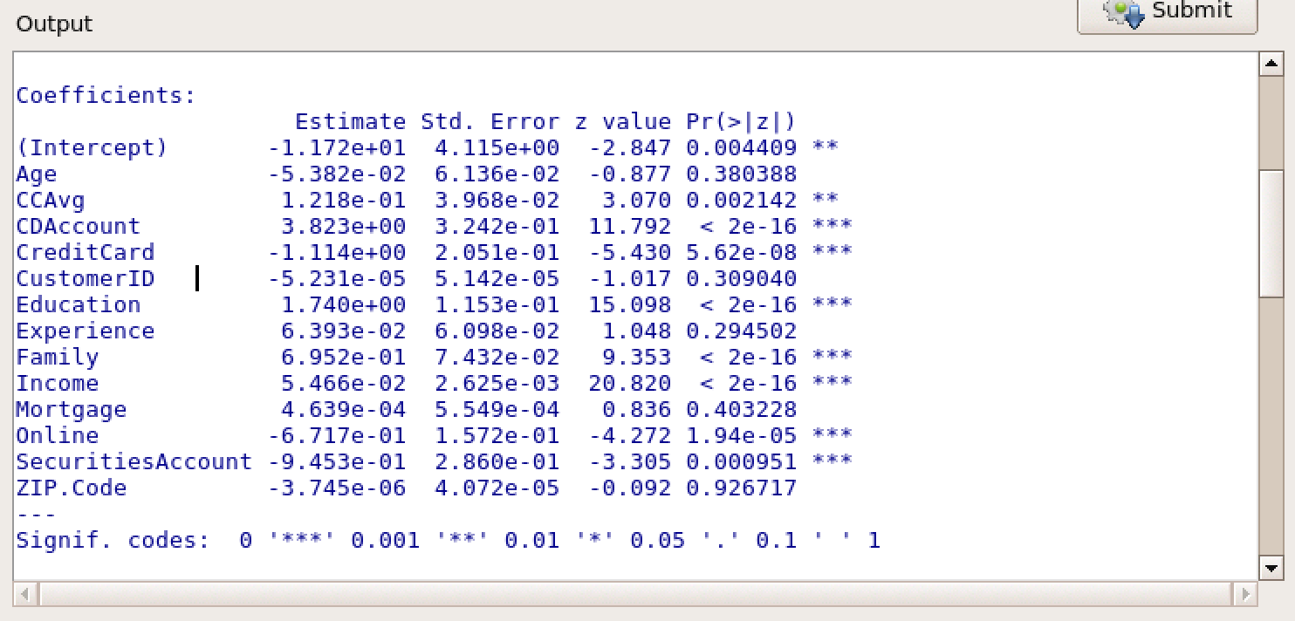

The above logit analysis represents all the input variables that may effect the output variable: did the customer accept the personal loan offfered?
Next, I removed any input variable that did not show 95% or higher significance. I removed "Age", "CustomerID", "Experience", "Mortgage", and "Zip Code".

The following variables will be used in the model |  |  | CCAvg
 |  |  | CDAccount
 |  |  | CreditCard
 |  |  | Education
 |  |  | Family
 |  |  | Income
 |  |  | Online
 |  |  | SecuritiesAccount

How do the significant variables influence the likelihood of taking out a loan?
Variable | Coefficient | How the variable influences the likelihood of taking out a loan
CCAvg | 0.113713 | This variable is non-binary and positively influences the personal loan decision.
CDAccount | 3.37124 | According to the data, this variable heavily influences the likelihood of the customer taking a personal load. "CDAccount" is measured as a binary variable so if the customer simply has a CDAccount with Unversal Bank then they may be more likely to accept a personal load. This single variable has the largest positive effect on the personal loan decision
CreditCard | -1.01524 | This variable is also binary but the coefficient is negative. A negative coefficient indicates that if the customer has a credit card with Unversal Bank then this fact reduces the likelihood they will take out a personal loan. The credit card can be viewed, by the customer, as a form of a loan so they are less likely to take out a personal loan. This variable has the largest negative effect on the personal loan decision
Education | 1.66969 | This variable indicates that the higher the education level then the more likely the customer is to take a personal loan. This variable is the second largest influencer of whether a personal loan will be taken out.
Family | 0.69335 | The larger the family size, the more likely the customer will take out a personal loan
Income | 0.05763 | As the annual income of the customer increases, the more likely they will be to take out a personal loan. Despite the positive effect it has on the personal loan decision, it has minimal effect compared to other variables because it has the lowest absolute value
Online | -0.60496 | This variable is binary and has a negative coefficient. By using the bank's internet banking facilities, this customer is less likely to accept a personal loan
SecuritiesAccount | -0.934627 | This variable is binary and negatively influences the personal loan decision.

#1. Probit
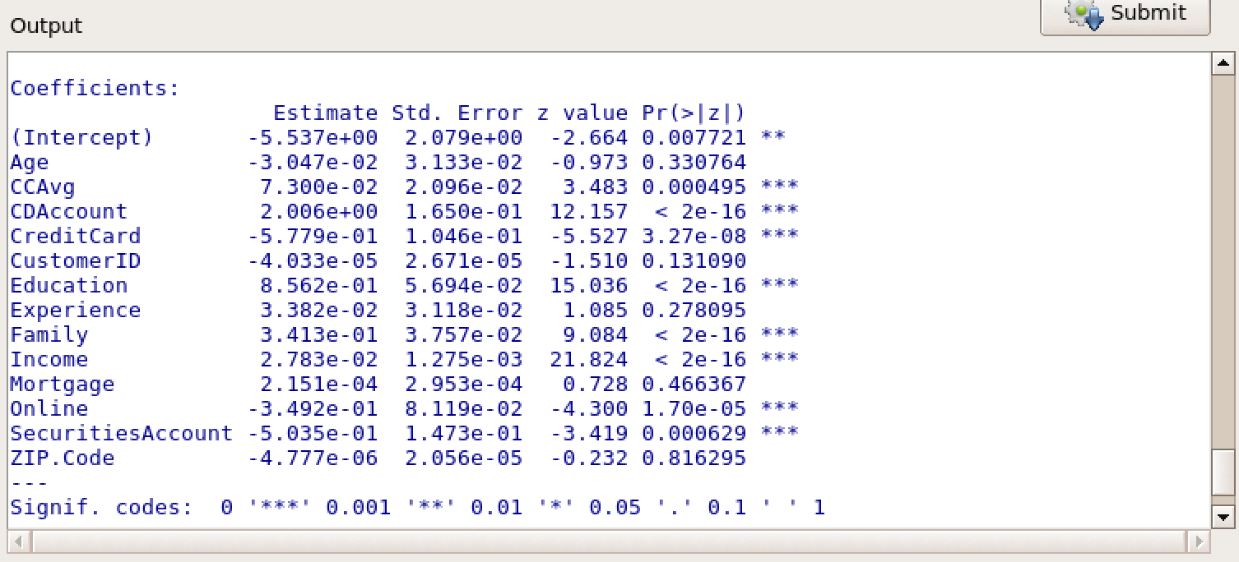

The above probit analysis represents all the input variables that may effect the output variable: did the customer accept the personal loan offfered?
Next, I removed any input variable that did not show 95% or higher significance. I removed "Age", "CustomerID", "Experience", "Mortgage", and "Zip Code". Note: these are the same insignificant variables at the logit analysis
The following variables are the most significant (with a significance level of almost 0): |  |  | CCAvg
 |  |  | CDAccount
 |  |  | CreditCard
 |  |  | Education
 |  |  | Family
 |  |  | Income
 |  |  | Online
 |  |  | Securities Account

How do the significant variables influence the likelihood of taking out a loan?
Variable | Coefficient | How the variable influences the likelihood of taking out a loan
CCAvg | 0.070770 | This variable tells us that as the average credit card spending per month increases it is more likely the customer will accpet a personal loan.
CDAccount | 2.018424 | This is a binary variable that has the largest positive effect on a customer's personal loan decision. Customers with a CD could be targeting for a personal loan
CreditCard | -0.583261 | This variable is another binary variable but has a negative coefficient which tells us that customers with a credit card are not likely to accept a personal loan. This variable has the largest negative effect on the personal loan decision
Education | 0.837564 | As education level increases, the customer is more likely to accept a personal loan.
Family | 0.340529 | As family size increases, the customer is more likely to accept a personal loan.
Income | 0.027891 | As income increases, the customer is more likely to accept a personal loan. Despite having a positive effect on the personal loan decision, this variable has a minimal effect compared to other variables because it has the smallest absolute value of .02.
Online | -0.350131 | This variable is binary and has a negative coefficient. By using the bank's internet banking facilities, this customer is less likely to accept a personal loan
Securities Account | -0.499103 | This variable is binary and has a negative coefficient. This variable would negative influence the customer's personal loan decision. The existence of a securities account would decrease the likelihood the customer accpets a personal loan

#2 Logit
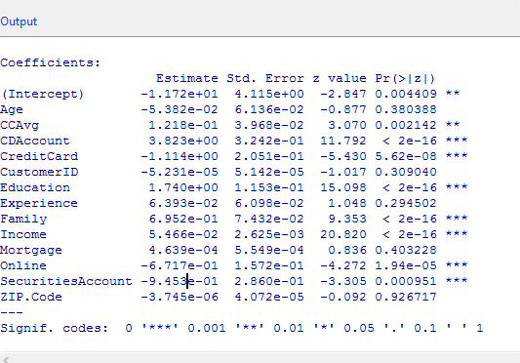

Using a 95% confidence interval, "Zip Code", "Mortgage", "Experience", "Customer ID", and "Age" are insignificant factors
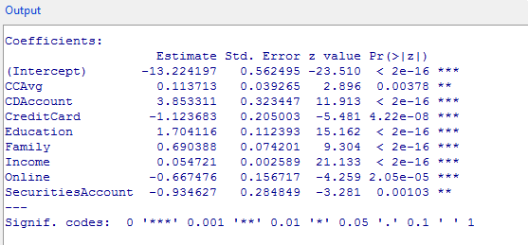

Conceptually, it makes sense that Income and Education would lead to a higher probablility of being granted a loan.
More likely to pay back the loan if income is high, and educated people might be better at managing finances.
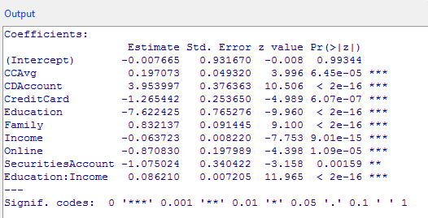

Statistically, Education and Income, combined, also proved to be signficant with a p-value of 2e-16
The coefficient indicates a positive impact on the loan; the higher the income and education level, the individual is more likely to get a loan.

#2 Probit
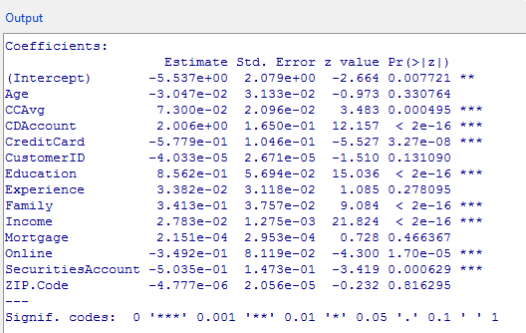

Using a 95% confidence interval, "Zip Code", "Mortgage", "Experience", "Customer ID", and "Age" are insignificant factors

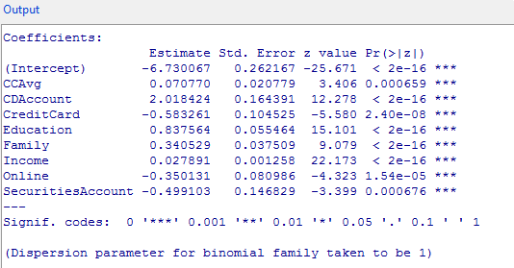

Conceptually, it makes sense that Income and Education would lead to a higher probablility of being granted a loan.
More likely to pay back the loan if income is high, and educated people might be better at managing finances.

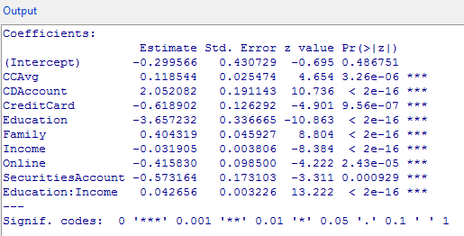

Statistically, Education and Income, combined, also proved to be signficant with a p-value of 2e-16
The coefficient indicates a positive impact on the loan; the higher the income and education level, the individual is more likely to get a loan.

#4 Logit
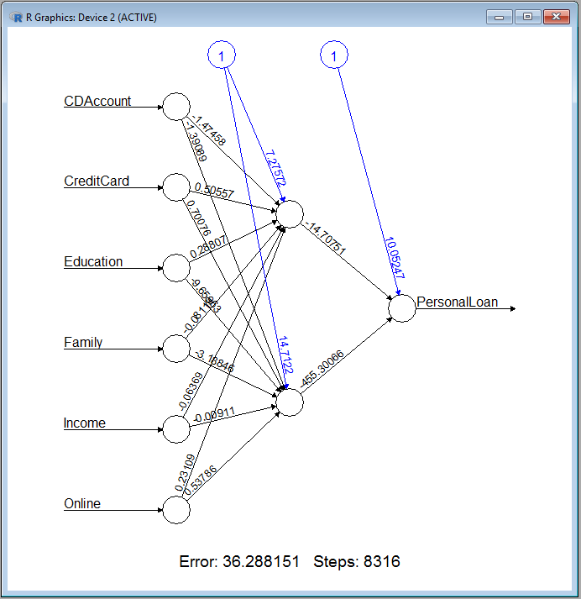
 | CDAccount | 1
 | CreditCard | 1
 | Education | 2
 | Family | 2
 | Income | 49
 | Online | 1

 | Hidden Node 1 |  |  |  | Output Node

 | Variable | Coefficient | Value | Coeff*Value | Variable | Coefficient | Value | Coeff*Value
 | Intercept | 7.27572 | 1 | 7.27572 | Intercept | 10.05247 | 1 | 10.05247
 | CDAccount | -1.47458 | 1 | -1.47458 | Hidden 1 | -14.70751 | 0.97876726931 | -14.395229401
 | CreditCard | 0.50557 | 1 | 0.50557 | Hidden 2 | -455.30066 | 9.3265132521E-06 | -0.0042463676392
 | Education | 0.28807 | 2 | 0.57614
 | Family | -0.08119 | 2 | -0.16238 |  |  | sum | -4.3470057687
 | Income | -0.06369 | 49 | -3.12081 |  |  | exp | 0.012945516477
 | Online | 0.23109 | 1 | 0.23109 |  |  | probability | 0.012780071847

 |  |  | sum | 3.83075
 |  |  | exp | 46.097098096
 |  |  | probability | 0.97876726931 | Income vs Education

 |  |  |  |  | 1% | 1 | 2 | 3
 | Hidden Node 2 |  |  |  | 0 | 0.00% | 0.95% | 0.95%
 |  |  |  |  | 10 | 0.00% | 0.96% | 0.96%
 | Variable | Coefficient | Value | Coeff*Value | 20 | 0.00% | 0.98% | 0.98%
 | Intercept | 14.7122 | 1 | 14.7122 | 30 | 0.00% | 1.03% | 1.01%
 | CDAccount | -1.39089 | 1 | -1.39089 | 40 | 0.00% | 1.12% | 1.08%
 | CreditCard | 0.70076 | 1 | 0.70076 | 50 | 0.00% | 1.30% | 1.21%
 | Education | -9.65963 | 2 | -19.31926 | 60 | 0.00% | 1.72% | 1.49%
 | Family | -3.18846 | 2 | -6.37692 | 70 | 0.00% | 2.83% | 2.19%
 | Income | -0.00911 | 49 | -0.44639 | 80 | 0.00% | 6.47% | 4.26%
 | Online | 0.53786 | 1 | 0.53786 | 90 | 0.00% | 21.35% | 12.04%
 |  |  |  |  | 100 | 0.00% | 64.85% | 42.20%
 |  |  | sum | -11.58264 | 110 | 0.00% | 94.76% | 86.33%
 |  |  | exp | 9.3266002367E-06 | 120 | 0.00% | 99.42% | 98.47%
 |  |  | probability | 9.3265132521E-06 | 130 | 0.00% | 99.91% | 99.80%
 |  |  |  |  | 140 | 0.00% | 99.97% | 99.96%
loannet <- neuralnet(PersonalLoan ~ CDAccount + CreditCard + Education + Family + Income + Online, loandata, hidden=2, lifesign="minimal", linear.output=FALSE, threshold=0.1) |  |  |  |  | 150 | 0.00% | 99.99% | 99.98%
temp_test <- subset(testingdata, select = c("CDAccount", "CreditCard", "Education", "Family", "Income", "Online")) |  |  |  |  | 160 | 0.00% | 99.99% | 99.99%
 |  |  |  |  | 170 | 0.00% | 99.99% | 99.99%
 |  |  |  |  | 180 | 0.01% | 99.99% | 99.99%
temp_test <- subset(loandata, select = c("CDAccount", "CreditCard", "Education", "Family", "Income", "Online")) |  |  |  |  | 190 | 0.04% | 100.00% | 100.00%
head(temp_test) |  |  |  |  | 200 | 0.20% | 100.00% | 100.00%
loannet.results <- compute(loannet, temp_test) |  |  |  |  | 210 | 0.80% | 100.00% | 100.00%
results <- data.frame(actual=loandata$PersonalLoan, prediction=loannet.results$net.result) |  |  |  |  | 220 | 2.78% | 100.00% | 100.00%
results[1:20,]
results$prediction <- round(results$prediction)
results[1:20,]

#4 Probit
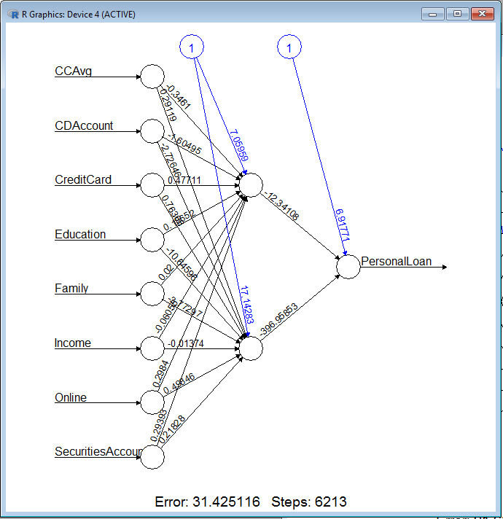
 |  |  | Hidden Node 1
 |  |  | Variable | Coefficient | Value | Coeff*Value | Variable | Coefficient | Value | Coeff*Value
 |  |  | Intercept | 7.05959 | 1 | 7.05959 | Intercept | 6.91771 | 1 | 6.91771
 | CCAvg | 1.6 | CCAvg | -0.3461 | 1.6 | -0.55376 | Hidden1 | -12.34108 | 0.99505076137 | -12.28000105 | 0.0046682230368 | 1 | 2 | 3
 | CDAccount | 0 | CDAccount | -1.60495 | 0 | 0 | Hidden2 | -396.95853 | 1.6582034004E-08 | -6.5823798427E-06 | 0 | 0% | 0% | 0%
 | CreditCard | 1 | CreditCard | 0.47711 | 1 | 0.47711 |  |  |  |  | 10 | 0% | 0% | 0%
 | Education | 2 | Education | 0.18652 | 2 | 0.37304 |  |  |  | -5.3622976325 | 20 | 0% | 0% | 0%
 | Family | 4 | Family | 0.02 | 4 | 0.08 |  |  |  | 0.0046901175516 | 30 | 0% | 0% | 0%
 | Income | 45 | Income | -0.06055 | 45 | -2.72475 |  |  |  | 0.0046682230368 | 40 | 0% | 0% | 0%
 | Online | 1 | Online | 0.2984 | 1 | 0.2984 |  |  |  |  | 50 | 0% | 0% | 0%
 | SecuritiesAccount | 1 | SecuritiesAccount | 0.29393 | 1 | 0.29393 |  |  |  |  | 60 | 0% | 1% | 0%
 |  |  |  |  |  |  |  |  |  |  | 70 | 1% | 1% | 1%
 |  |  |  |  |  | 5.30356 |  |  |  |  | 80 | 1% | 1% | 1%
 |  |  |  |  |  | 201.05128002 |  |  |  |  | 90 | 1% | 1% | 1%
 |  |  |  |  |  | 0.99505076137 |  |  |  |  | 100 | 2% | 2% | 2%
 |  |  |  |  |  |  |  |  |  |  | 110 | 7% | 5% | 4%
 |  |  |  |  |  |  |  |  |  |  | 120 | 25% | 18% | 12%
 |  |  | Hidden Node 2 |  |  |  |  |  |  |  | 130 | 68% | 57% | 43%
 |  |  | Variable | Coefficient | Value | Coeff*Value |  |  |  |  | 140 | 93% | 89% | 83%
 |  |  | Intercept | 17.14283 | 1 | 17.14283 |  |  |  |  | 150 | 98% | 98% | 96%
 |  |  | CCAvg | 0.29119 | 1.6 | 0.465904 |  |  |  |  | 160 | 99% | 99% | 99%
 |  |  | CDAccount | -2.72646 | 0 | 0 |  |  |  |  | 170 | 100% | 100% | 100%
 |  |  | CreditCard | 0.76368 | 1 | 0.76368 |  |  |  |  | 180 | 100% | 100% | 100%
 |  |  | Education | -10.64596 | 2 | -21.29192 |  |  |  |  | 190 | 100% | 100% | 100%
 |  |  | Family | -3.77297 | 4 | -15.09188 |  |  |  |  | 200 | 100% | 100% | 100%
 |  |  | Income | -0.01374 | 45 | -0.6183 |  |  |  |  | 210 | 100% | 100% | 100%
 |  |  | Online | 0.49646 | 1 | 0.49646 |  |  |  |  | 220 | 100% | 100% | 100%
 |  |  | SecuritiesAccount | 0.21828 | 1 | 0.21828

 |  |  |  |  |  | -17.914946
 |  |  |  |  |  | 1.6582034279E-08
 |  |  |  |  |  | 1.6582034004E-08

loannet <- neuralnet(PersonalLoan ~ CCAvg + CDAccount + CreditCard + Education + Family + Income + Online + SecuritiesAccount, loandata, hidden=2, lifesign="minimal", linear.output=FALSE, threshold=0.1)

temp_test <- subset(loandata, select = c("CCAvg", "CDAccount", "CreditCard", "Education", "Family", "Income", "Online", "SecuritiesAccount"))
head(temp_test)
loannet.results <- compute(loannet, temp_test)
results <- data.frame(actual=loandata$PersonalLoan, prediction=loannet.results$net.result)
results[1:20,]
results$prediction <- round(results$prediction)
results[1:20,]

